Data Cleaning
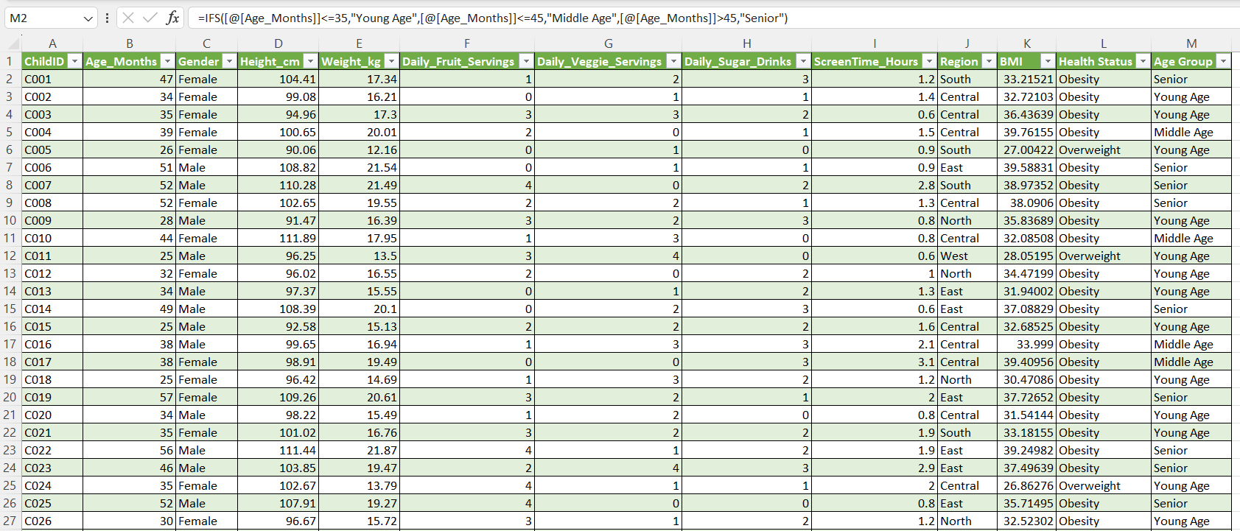
Data Cleaning

• Create Calculated Columns - BMI
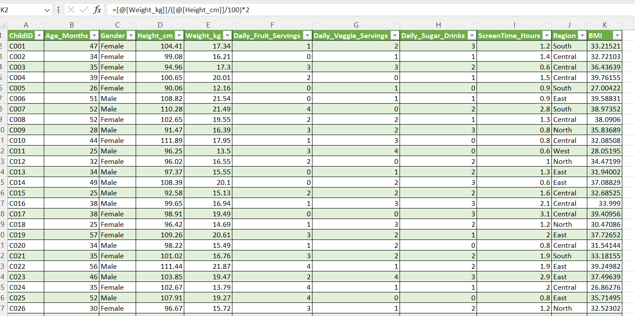

• Create Calculated Columns - Health Status
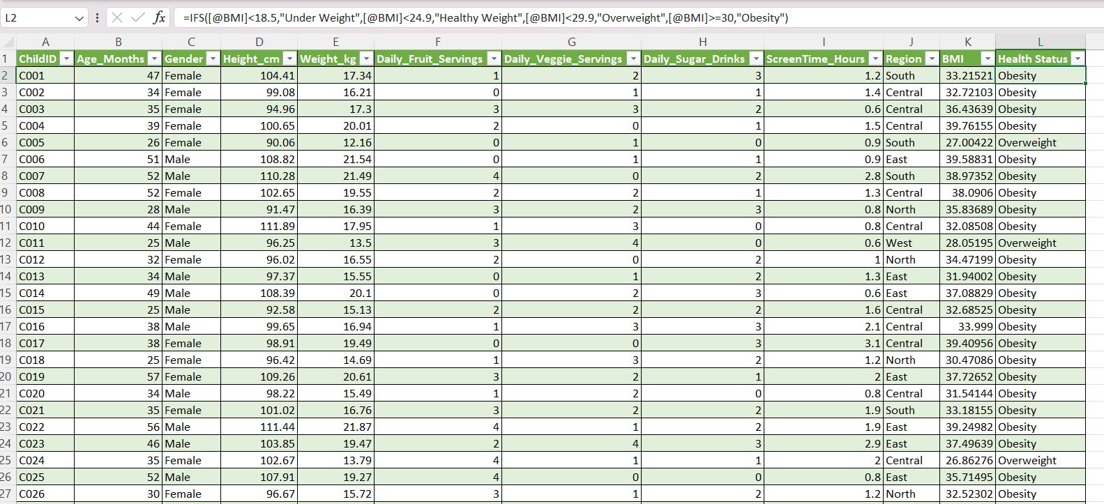

• Create Calculated Columns - Age Group

Analysis

Data Analysis and Insights

• Health Status by Age Group: Analyze the distribution of Health_Status across different age groups (e.g., 24-36 months, 37-48 months, etc.). Use a PivotTable and a clustered column chart.

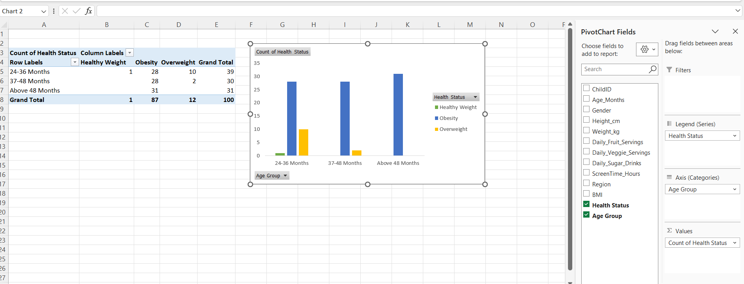

• Nutrient Intake vs. BMI: Create a PivotTable to find the average BMI for children based on their Daily_Fruit_Servings and Daily_Veggie_Servings. Use a Slicer for Region to filter the data.

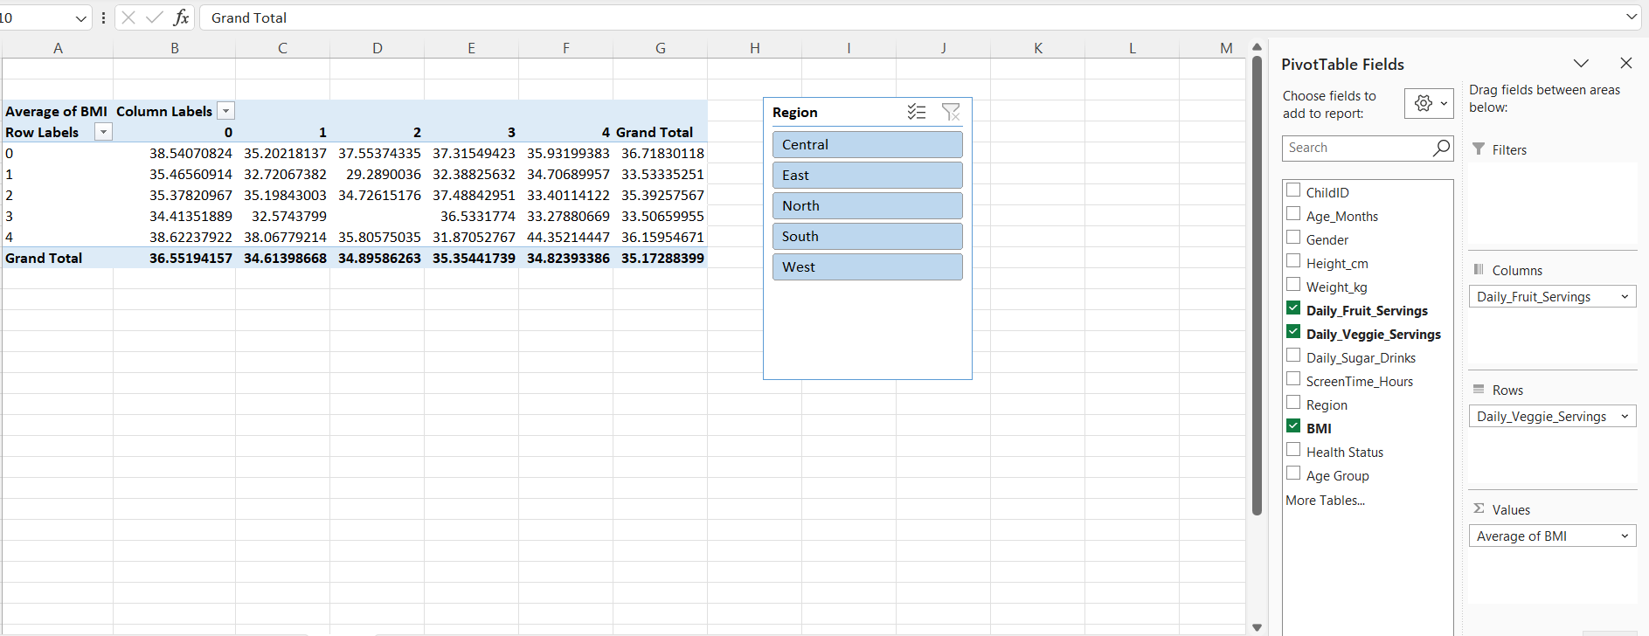

• Correlation of Sugar and Screen Time: Find the average Daily_Sugar_Drinks and ScreenTime_Hours for each Health_Status category. A bar chart would be ideal to visualize this.

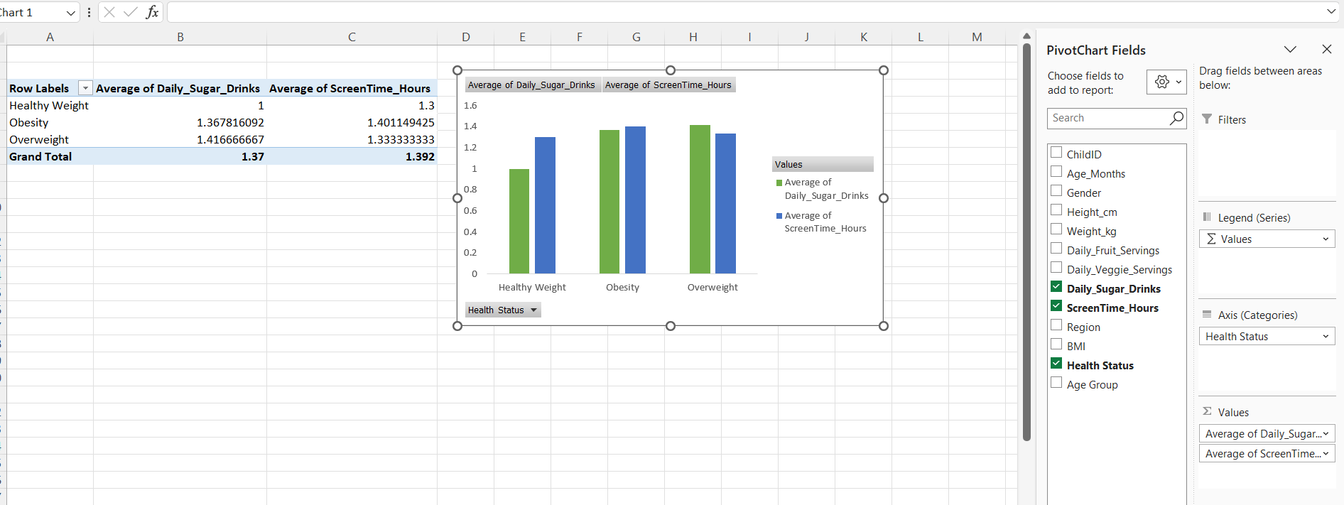

• Correlation of Sugar and Screen Time: Find the average Daily_Sugar_Drinks and ScreenTime_Hours for each Health_Status category. A bar chart would be ideal to visualize this.

Visualization
The "Healthy Kids" Nutrition & Growth

 | Healthy Weight | Obesity | Overweight
24-36 Months | 1 | 28 | 10
37-48 Months | 0 | 28 | 2
Above 48 Months | 0 | 31 | 0
 | Average of Daily_Sugar_Drinks | Average of ScreenTime_Hours
Healthy Weight | 1 | 1.3
Obesity | 1.367816092 | 1.4011494253
Overweight | 1.4166666667 | 1.3333333333

